HOW TO USE
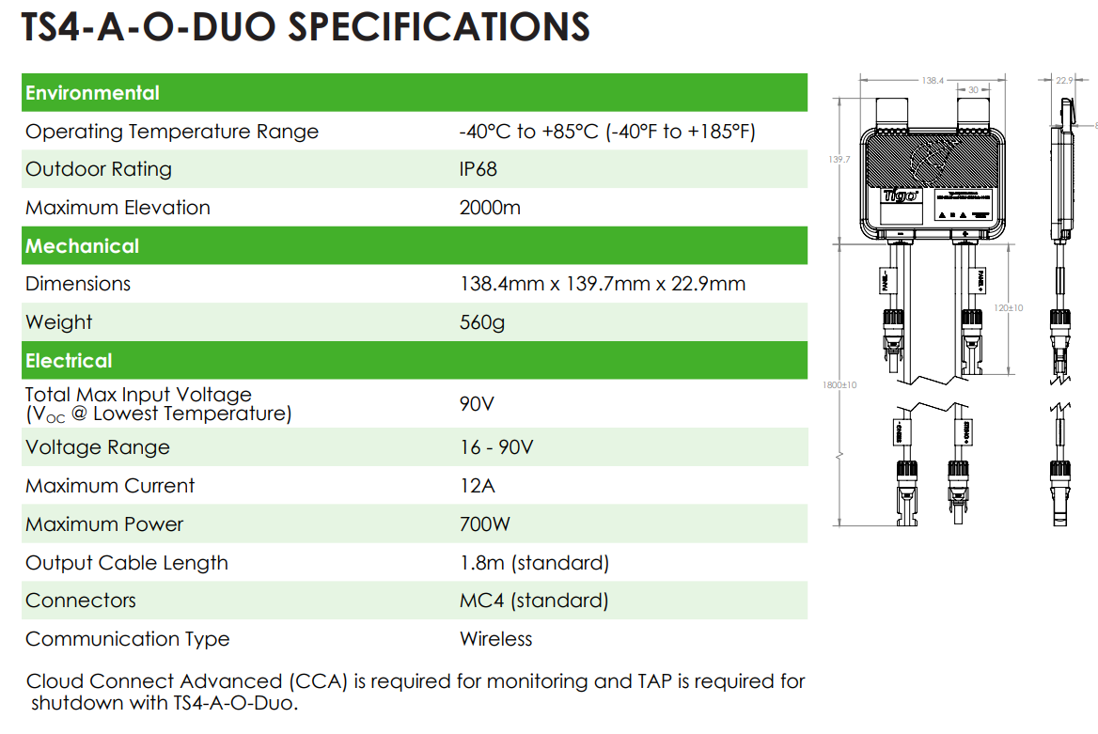
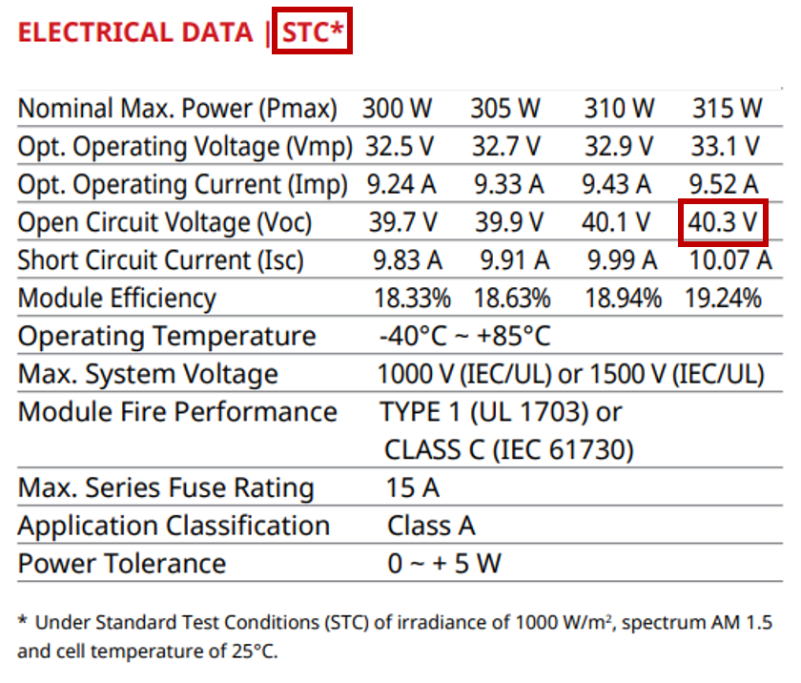
 | Read this tab FIRST to learn how to use this tool. Then go to the "Calculator" tab. |  |  |  |  | Please contact training@tigoenergy.com for questions on this tool or designing your project with Tigo
 | DISCLAIMER: This spreadsheet to be used with TS4-A and -R series devices (TS4-A-O-DUO, TS4-R-O-DUO) released prior to October 9th, 2019
 | This spreadsheet is intended to support you in identifying if your module is eligible to be used with the TS4-R-X-DUO or TS4-A-X-DUO devices.
 | Note that your modules must meet minimum specs of TS4.

 | The calculator on the next tab will look like the table below, there are 3 numbers to input for this tool to work for you.
 | How to find #1-3 on your datasheets is shown below. #4 is the coldest recorded temperature at the installation site, rounded down to the nearest 5 degrees C/K. |  |  |  |  | Please contact sales@tigoenergy.com for support in purchasing Tigo products
 | #5 and #6 will be calculated for you.

1 | Maximum Input Voltage of TS4 device (V) can be found on your TS4-A-X-DUO or TS4-R-X-DUO datasheet (Shown below) | 2 | Module Voltage at Open Circuit at STC (Voc) Look for "Electrical Data" on your module spec sheet (example shown below for the 315W module) | 3 | Temperature Coefficient (Voc) can usually be found under "Temperature Characteristics" Don't worry about + or -, simply enter the percentage. Note this can sometimes be found as %/K, which works as well for this tool. | 29%

